v1.0
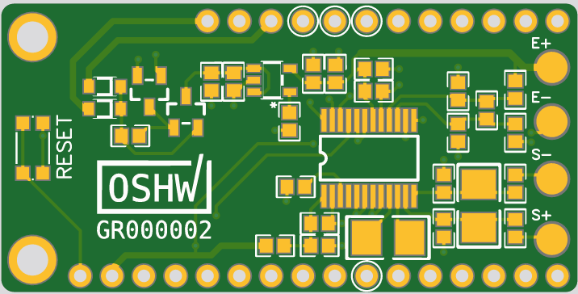
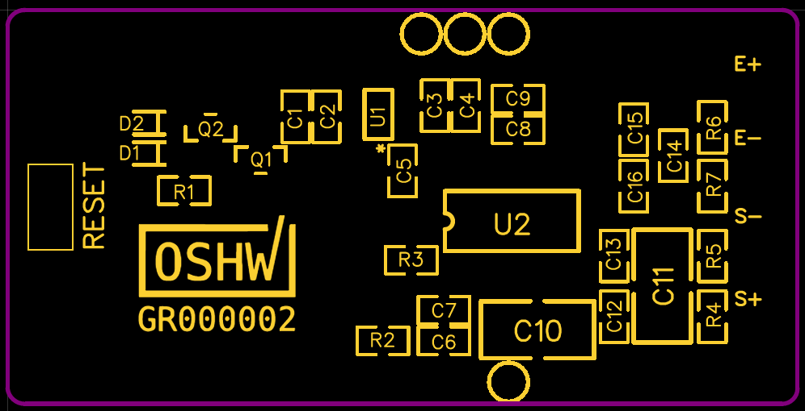
ID | Name | Designator | Footprint | Qty | Manufacturer Part | Manufacturer | Supplier | Unit price (qty=1) | Unit price (qty=100) | Supplier URL
1 | 1u | C1,C4 | 0603 | 2 | LMK107B7105KA-T | Taiyo Yuden | mouser | 0.174 | 0.044 | https://gr.mouser.com/ProductDetail/LMK107B7105KA-T/
2 | 0.1u | C2,C3,C7,C8 | 0603 | 4 | CGA3E2X7R1E104K080AA | TDK | mouser | 0.348 | 0.108 | https://gr.mouser.com/ProductDetail/CGA3E2X7R1E104K080AA/
3 | 10n | C5 | 0603 | 1 | 885012206089 | Wurth | mouser |  |  | https://gr.mouser.com/ProductDetail/885012206089/
4 | 10u | C6,C9 | 0603 | 2 | JMK107BJ106MA-T | Taiyo Yuden | mouser | 0.296 | 0.076 | https://gr.mouser.com/ProductDetail/JMK107BJ106MA-T/
5 | 0.1u PPS ECH-U1C104GX5 | C10,C11 | 1210 | 2 | ECH-U1C104GX5 | Panasonic | mouser | 1.484 | 0.752 | https://gr.mouser.com/ProductDetail/667-ECH-U1C104GX5/
6 | 100p NP0 | C12,C13,C14,C15,C16 | 0603 | 4 | CC0603FRNPO9BN101 | Yageo | mouser | 0.628 | 0.156 | https://gr.mouser.com/ProductDetail//CC0603FRNPO9BN101/
7 | BAT20JFILM | D1,D2 | SOD-323 | 2 | BAT20JFILM | STMicroelectronics | mouser | 0.664 | 0.268 | https://gr.mouser.com/ProductDetail/BAT20JFILM/
8 | SQ2303ES-T1_GE3 | Q1 | SOT-23(SOT-23-3) | 1 | SQ2303ES-T1_GE3 | VISHAY | mouser | 0.445 | 0.284 | https://gr.mouser.com/ProductDetail/SQ2303ES-T1_GE3/
9 | BSS138 | Q2 | SOT-23(SOT-23-3) | 1 | BSS138-13-F | Diodes | mouser | 0.21 | 0.062 | https://gr.mouser.com/ProductDetail/BSS138-13-F/
10 | 100k | R1 | 0603 | 1 | RC0603FR-07100KL | Yageo | mouser | 0.087 | 0.005 | https://gr.mouser.com/ProductDetail/RC0603FR-07100KL/
11 | 0R | R2,R4,R5 | 0603 | 2 | CRCW06030000Z0EAC | Vishay | mouser | 0.174 | 0.008 | https://gr.mouser.com/ProductDetail/CRCW06030000Z0EAC/
12 | 47k | R3 | 0603 | 2 | RC0603JR-0747KL | Yageo | mouser | 0.174 | 0.02 | https://gr.mouser.com/ProductDetail/RC0603JR-0747KL/
13 | 100R | R6,R7 | 0603 | 2 | RT0603BRD07100RL | Yageo | mouser | 0.664 | 0.132 | https://gr.mouser.com/ProductDetail/RT0603BRD07100RL/
14 | KMR621NG LFS | RESET | KMR621NG LFS | 1 | KMR621NGLFS | C&K | mouser | 0.288 | 0.247 | https://gr.mouser.com/ProductDetail/KMR621NGLFS/
15 | TPS7A0533PDBVR | U1 | SOT-23-5 | 1 | TPS7A0533PDBVR | TI | mouser | 0.515 | 0.276 | https://gr.mouser.com/ProductDetail/595-TPS7A0533PDBVR/
16 | ADS1232IPWR | U2 | TSSOP-24 | 1 | ADS1232IPWR | TI | mouser | 7.13 | 5.34 | https://gr.mouser.com/ProductDetail/ADS1232IPWR/

 |  |  |  | 29
 |  |  |  |  |  | Total per unit (w/o vat) |  | 13.281 | 7.778

